Week 3-4
Computer Science 2 Project | Team Members: | Angel Balmonte
Group Progress Report |  | Xynia Rizaan Herbito
4th Quarter

Week 3-4 March 27, 2026
GOAL State your goal for the Week | DATA COLLECTED State/list the data collected relevant to your project | PROGRESS State the progress you have made so far by the end of the week
At least finish 70% of the UI design |  | Finished around 50% of the UI design

 |  | 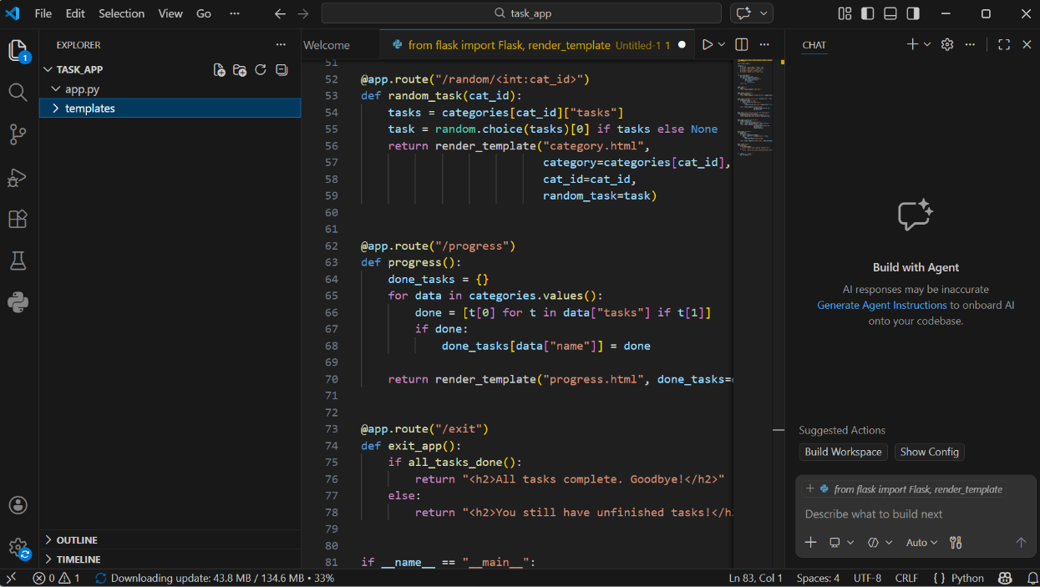
STRENGTH
Constantly working together to finish the UI design as soon as possible

AREAS FOR DEVELOPMENT
There are still some occuring errors

STRATEGY FOR SUCCESS
Just continue on working together

Week 5-6
Computer Science 2 Project | Team Members: | Balmonte, Angel
Group Progress Report |  | Herbito, Xynia Rizaan
4th Quarter

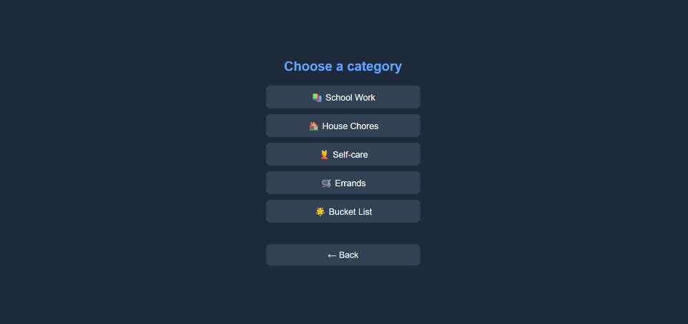
Week 5-6 - March 31, 2026
GOAL State your goal for the Week | DATA COLLECTED State/list the data collected relevant to your project | PROGRESS State the progress you have made so far by the end of the week
polish UI design to make it more appealing |  | Finished the UI design and polshed some parts of the UI design

STRENGTH
worrking hard together

AREAS FOR DEVELOPMENT
Needs more design because the current UI design is too boring

STRATEGY FOR SUCCESS
keep on working together

Week 7
Computer Science 2 Project | Team Members: | Balmonte, Angel N.
Group Progress Report |  | Herbito, Xynnia Rizaan
4th Quarter

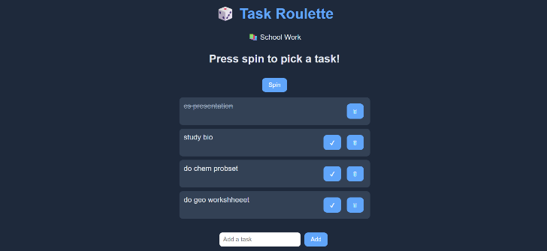
Week 7 - April 7, 2026
GOAL State your goal for the Week | DATA COLLECTED State/list the data collected relevant to your project | PROGRESS State the progress you have made so far by the end of the week
Finalize the UI design and start on the documentation

STRENGTH
We evenly disttributed the workload allowing us to sucessfully finish the project

AREAS FOR DEVELOPMENT
We lacked knowledge to animate an actually roulette

STRATEGY FOR SUCCESS
Just worked together

